Q1 template
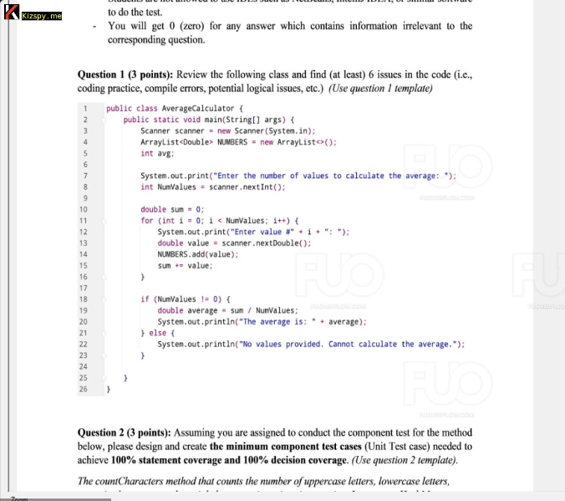
Issue No | Description | Line
1 | Variable avg is declared but never used | 5
2 | Variable NUMBERS should be in lowercase numbers | 4
3 | Redundant addition of values to NUMBERS | 14
4 | Incorrect format for user prompt | 12
5 | Scanner should be closed to prevent resource leak | 24
6 | Variable NUMBERS is not used after being populated | 4, 14
7 | Potential division by zero is not explicitly handled | 18
8 | NumValues should be in camel case (numValues) | 8, 11, 18, 19
9 | Magic number used for initial sum value; should be explicitly set as zero for clarity | 10

Q2 template
Function Code |  | CharacterCounter |  | Function Name |  |  |  |  |  | countCharacters
Created By |  | Nguyen Trong Nghia |  | Executed By |  |  |  |  |  | Nguyen Trong Nghia
Lines of code |  |  |  | Lack of test cases |  |  |  |  |  | -2
Test requirement |  | Ensure countCharacters method counts all character types correctly
Passed |  | Failed |  | Untested |  |  |  |  |  | N/A/B |  |  | Total Test Cases
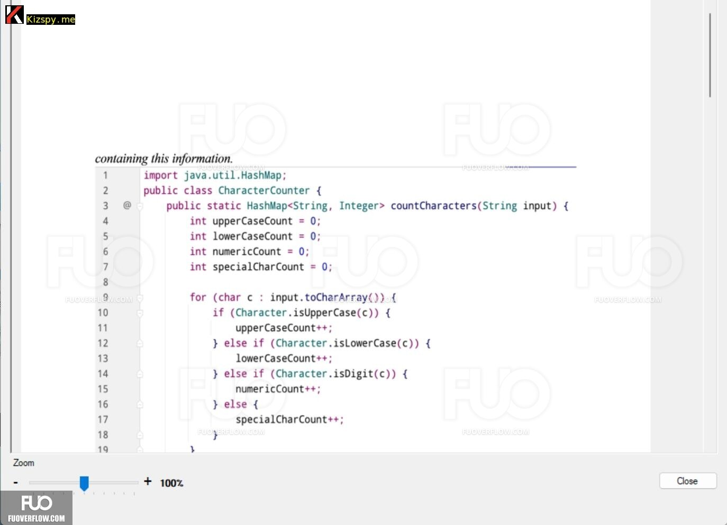
6 |  | 0 |  | -4 |  |  |  |  |  | 6 | 0 | 0 | 2

 |  |  |  | UTCID01 | UTCID02
Condition | Precondition
 |  |  | Ensure the input string is not null

 | Input condition
 | input
 |  |  | Abc123!@# | O
 |  |  | ABC |  | O
 |  |  | abc |  |  | O
 |  |  | 123 |  |  |  | O
 |  |  | !@# |  |  |  |  | O
 |  |  | "" |  |  |  |  |  | O

Confirm | Return
 | {Uppercase=1, Lowercase=2, Numeric=3, Special=3} |  |  | O
 | {Uppercase=3, Lowercase=0, Numeric=0, Special=0} |  |  |  | O
 | {Uppercase=0, Lowercase=3, Numeric=0, Special=0} |  |  |  |  | O
 | {Uppercase=0, Lowercase=0, Numeric=3, Special=0} |  |  |  |  |  | O
 | {Uppercase=0, Lowercase=0, Numeric=0, Special=3} |  |  |  |  |  |  | O
 | {Uppercase=0, Lowercase=0, Numeric=0, Special=0} |  |  |  |  |  |  |  | O
 | Exception

 | Log message

Result | Type(N : Normal, A : Abnormal, B : Boundary) |  |  | N | N | N | N | N | N
 | Passed/Failed |  |  | P | P | P | P | P | P
 | Executed Date
 | Defect ID

* Notes: | Blue text is sample, needed to be deleted in the answer
 | Don't edit the grey cell

